1. Contents & Data Source
Instacart Grocery Basket Analysis

Project Name: Instacart Basekt Analysis
Date: March 2023
Analyst Name: Sissi S.

Contents:
Population Flow
Consistency checks
Wrangling steps
Column derivations
Visualizations
Recommendations

Data Source and Citation:
Instacart data set “The Instacart Online Grocery Shopping Dataset 2017”, Accessed from https://www.instacart.com/datasets/grocery-shopping-2017 on 23 March 2023
Data dictionnary

2. Population Flow
Title page

Population flow

Exclusion flag
Condition: max_order < 5
Obervations to be removed: personally identifiable information (PII): customer's full name
Final total count of subset of order_products_all : 21 678 634**
 | **Due to memory constraints, I have used a 70 % subest of data for the final analysis

Subset of Orders_products_all
Orders_products_combined
Orders_products_merged
Orders_products_all

Total: 32,404,859
Total: 32,434,489
Total: 32,435,059
Total: 21,678,634

3. Consistency checks
Consistency checks

Dataset | Missing values | Missing values treatment | Duplicates | Duplicates treatment
orders | days_since_prior_order column: 206209 | These missing values have been kept as it means that it is the first order for each unique order_id, hence the missing values | 0
products | product_name column: 16 | As those missing values are string values and not much can be done - I have created a new dataframe and dropped them | 5 | I have created a new dataframe and dropped them
orders_products_prior | 0 | N/A | 0
customers | first_name column: 11259 | This column was not needed, therefore it has been dropped | 0

4. Wrangling steps
 |  |  |  |  |  | Title page
Wrangling steps

Dataframe | Columns name | Columns dropped | Columns renamed | Columns' type changed | Comment/Reason
Orders | order_id |  |  | has been change from floating-point number to string (object) | In order to optimize calculation when using describe( ) function
 | user_id |  |  | has been change from floating-point number to string (object) | In order to optimize calculation when using describe( ) function
 | eval_set | eval_set |  |  | Irrelevant/Unnecessary information for the analysis
 | order_number
 | order_dow |  | orders_ day_of_week |  | To make it more relevant
 | order_hour_of_day
 | days_since_prior_order

Dataframe | Columns name | Columns dropped | Columns renamed | Columns' type changed | Comment/Reason
Products | product_id |  |  |  | No changes
 | product_name
 | aisle_id
 | department_id
 | prices

Dataframe | Columns name | Columns dropped | Columns renamed | Columns' type changed | Comment/Reason
Departments | Department_id |  |  |  | Has been transposed in order to get a readable data dictionnary

Dataframe |  | Columns dropped | Columns renamed | Columns' type changed | Comment/Reason
orders_products_prior | order_id |  |  |  | No changes
 | product_id
 | add_to_cart_order
 | reordered

Dataframe |  | Columns dropped | Columns renamed | Columns' type changed | Comment/Reason
Customers | user_id |  |  | has been change from floating-point number to string (object) | In order to optimize calculation when using describe( ) function and for merging purposes
 | First Name | First Name |  |  | Personally identifiable information and due to privacy reasons
 | Surnam | Surnam |  |  | Personally identifiable information and due to privacy reasons
 | Gender |  | gender |  | Naming convention
 | STATE |  | state |  | Naming convention
 | Age |  | age |  | Naming convention
 | date_joined
 | n_dependants |  | number_dependants |  | To make it more relevant
 | fam_status |  | family_status |  | To make it more relevant
 | income

5. Column derivations
 |  |  |  |  | Title page
Column derivations

Dataset | New column | Column/s it was derived from | Conditions (Technical) | Conditions
orders_products_merged | price_range_loc | prices | ords_prods_merged.loc[ords_prods_merged['prices'] > 15, 'price_range_loc'] = 'High-range product' | Prices greater than $15 = High-range product
 |  |  | ords_prods_merged.loc[(ords_prods_merged['prices']<= 15) & (ords_prods_merged['prices'] > 5), 'price_range_loc'] = 'Mid-range product' | Prices greater than $5 and smaller or equal $15 = Mid-range product
 |  |  | ords_prods_merged.loc[ords_prods_merged['prices']<= 5, 'price_range_loc'] = 'Low-range product' | Prices smaller or equal $5 = Low-range product
 | busiest_day | orders_day_of_week | for value in ords_prods_merged["orders_day_of_week"]: | For values in orders_day_of_week column
 |  |  | if value == 0: | If value = 0 it will be labelled as Busiest day
 |  |  | result.append("Busiest day") | If value = 4 it will be labelled as Least busy
 |  |  | elif value == 4: | or else it will be labelled as Regularly busy
 |  |  | result.append("Least busy")
 |  |  | else:
 |  |  | result.append("Regularly busy")
 | busiest_days | orders_day_of_week | for value in ords_prods_merged["orders_day_of_week"]: | For values in orders_day_of_week column
 |  |  | if value == 0 or value == 1: | If value = 0 or 1 it will be labelled as Busiest days
 |  |  | result2.append("Busiest days") | If value = 3 or 4 it will be labelled as Slowest days
 |  |  | elif value == 4 or value == 3: | or else it will be labelled as Regularly days
 |  |  | result2.append("Slowest days")
 |  |  | else:
 |  |  | result2.append("Regularly days")
 | busiest_period_of_day | order_hour_of_day | for value in ords_prods_merged['order_hour_of_day']: | For values in order_hour_of_day column
 |  |  | if value >= 9 and value <= 16: | If value greater or equal 9 and smaller or equal 16 = Most Orders
 |  |  | result3.append("Most Orders") | If value greater or equal 0 and smaller or equal 6 = Fewest Orders
 |  |  | elif value >= 0 and value <=6: | or else = Average Orders
 |  |  | result3.append("Fewest Orders")
 |  |  | else:
 |  |  | result3.append("Average Orders")
orders_products_merged_2 | max_order | user_id | ords_prods_merge['max_order'] = ords_prods_merge.groupby(['user_id'])['order_number'].transform(np.max) | Create a new max_order column with user_id and order_number columns
 |  | order_number
 | loyalty_flag | max_order | ords_prods_merge.loc[ords_prods_merge['max_order'] > 40, 'loyalty_flag'] = 'Loyal customer' | If value greather than 40 orders = Loyal customer
 |  |  | ords_prods_merge.loc[(ords_prods_merge['max_order'] <= 40) & (ords_prods_merge['max_order'] > 10), 'loyalty_flag'] = 'Regular customer' | If value greater than 10 and smaller or equal 40 orders = Loyal customer
 |  |  | ords_prods_merge.loc[ords_prods_merge['max_order'] <= 10, 'loyalty_flag'] = 'New customer' | If value smaller or equel 10 orders = New customer
 | average_price | user_id | ords_prods_merge['average_price'] = ords_prods_merge.groupby(['user_id'])['prices'].transform(np.mean) | Create a new average_price column with user_id and average_price columns
 |  | prices
 | spending_flag | average_price | ords_prods_merge.loc[ords_prods_merge['average_price'] < 10, 'spending_flag'] = 'Low spender' | If average price smaller than $10 = Low spender
 |  |  | ords_prods_merge.loc[ords_prods_merge['average_price'] >= 10, 'spending_flag'] = 'High spender' | If average price greater or equal $10 = High spender
 | median_days_since_prior_order | user_id | ords_prods_merge['median_days_since_prior_order'] = ords_prods_merge.groupby(['user_id'])['days_since_prior_order'].transform(np.median) | Create a new median_days_since_prior_order column with user_id and days_since_prior_order columns
 |  | days_since_prior_order
 | order_frequency_flag | median_days_since_prior_order | ords_prods_merge.loc[ords_prods_merge['median_days_since_prior_order'] > 20, 'order_frequency_flag'] = 'Non-frequent customer' | If value greather than 20 days = Non-frequent customer
 |  |  | ords_prods_merge.loc[ords_prods_merge['median_days_since_prior_order'] > 10 & (ords_prods_merge['median_days_since_prior_order'] <= 20), 'order_frequency_flag'] = 'Regular customer' | If value greather than 10 and smaller or equal 20 days = Regular customer
 |  |  | ords_prods_merge.loc[ords_prods_merge['median_days_since_prior_order'] <= 10, 'order_frequency_flag'] = 'Frequent customer' | If value smaller or equal 10 days = Frequent customer
orders_products_big | region | state | df_ords_prods_big.loc[df_ords_prods_all['state'].isin(region_1_northeast), 'region'] = 'Northeast' | Create different regions: Northeast, Midwest, South and West
 |  |  | df_ords_prods_big.loc[df_ords_prods_all['state'].isin(region_2_midwest), 'region'] = 'Midwest'
 |  |  | df_ords_prods_big.loc[df_ords_prods_all['state'].isin(region_3_south), 'region'] = 'South'
 |  |  | df_ords_prods_big.loc[df_ords_prods_all['state'].isin(region_4_west), 'region'] = 'West'
 | exclusion_flag | max_order | df_ords_prods_big.loc[df_ords_prods_all['max_order'] <5, 'exclusion_flag'] = 'Low activity' | Create a new exclusion_flag column with max_order column
 |  |  | df_ords_prods_big.loc[df_ords_prods_all['max_order'] >=5, 'exclusion_flag'] = 'High activity'
high_activity_customers | age_category | age | df_hcv.loc[(df_hcv['age'] >= 18) & (df_hcv['age'] < 40), 'age_category'] = 'Young Adult' | If age greather or equal 18 and smaller than 40 years old = Young Adult
 |  |  | df_hcv.loc[(df_hcv['age'] >= 40) & (df_hcv['age'] < 65), 'age_category'] = 'Middle Age' | If age greather or equal 40 and smaller than 65 years old = Middle Age
 |  |  | df_hcv.loc[df_hcv['age'] >= 65, 'age_category'] = 'Senior' | If age greather or equal 65 years old = Senior
 | income_flag | income | df_hcv.loc[df_hcv['income']< 70000, 'income_flag'] = 'Low' | If income smaller than $70k = Low
 |  |  | df_hcv.loc[(df_hcv['income']>= 70000) & (df_hcv['income']< 120000), 'income_flag'] = 'Middle' | if income greater or equal $70k and greater than $120k = Middle
 |  |  | df_hcv.loc[df_hcv['income']>= 120000, 'income_flag'] = 'High' | if income greater or equal $120k = High
 | number_dependants | dependants_flag | df_hcv.loc[df_hcv['number_dependants'] >= 1, 'dependants_flag'] = 'with dependants' | If value greater or equal 1 = with dependants
 |  |  | df_hcv.loc[df_hcv['number_dependants'] < 1, 'dependants_flag'] = 'no dependants' | If value smaller than 1 = no dependants
 | household | family_status | df_hcv.loc[(df_hcv['family_status'] == 'divorced/widowed') | (df_hcv['family_status'] == 'single') & (df_hcv['income_flag'] == 'High'), 'household'] = 'One person no dependants-High' | If family status is divorced/widowed and single and income is High = One person no dependants-High
 |  |  | df_hcv.loc[(df_hcv['family_status'] == 'divorced/widowed') | (df_hcv['family_status'] == 'single') & (df_hcv['income_flag'] == 'Middle'), 'household'] = 'One person no dependants-Middle' | If family status is divorced/widowed and single and income is Middle = One person no dependants-Middle
 |  |  | df_hcv.loc[(df_hcv['family_status'] == 'divorced/widowed') | (df_hcv['family_status'] == 'single') & (df_hcv['income_flag'] == 'Low'), 'household'] = 'One person no dependants-Low' | If family status is divorced/widowed and single and income is Low = One person no dependants-Low
 |  |  | df_hcv.loc[(df_hcv['family_status'] == 'living with parents and siblings') & (df_hcv['income_flag'] == 'High'), 'household'] = 'Family with dependants-High' | If family status is living with parents and siblings and income is High = Family with dependants-High
 |  |  | df_hcv.loc[(df_hcv['family_status'] == 'living with parents and siblings') & (df_hcv['income_flag'] == 'Middle'), 'household'] = 'Family with dependants-Middle' | If family status is living with parents and siblings and income is Middle = Family with dependants-Middle
 |  |  | df_hcv.loc[(df_hcv['family_status'] == 'living with parents and siblings') & (df_hcv['income_flag'] == 'Low'), 'household'] = 'Family with dependants-Low' | If family status is living with parents and siblings and income is Low = Family with dependants-Low
 |  |  | df_hcv.loc[(df_hcv['family_status'] == 'married') & (df_hcv['income_flag'] == 'High'), 'household'] = 'Family no dependants-High' | If family status is married and income is High = Family no dependants-High
 |  |  | df_hcv.loc[(df_hcv['family_status'] == 'married') & (df_hcv['income_flag'] == 'Middle'), 'household'] = 'Family no dependants-Middle' | If family status is married and income is Middle = Family no dependants-Middle
 |  |  | df_hcv.loc[(df_hcv['family_status'] == 'married') & (df_hcv['income_flag'] == 'Low'), 'household'] = 'Family no dependants -Low' | If family status is married and income is Low = Family no dependants-Low
 | alcohol_consumer | departement | df_hcv.loc[df_hcv['department'] !='alcohol', 'alcohol_consumer'] = 'No' | If department doesn't contain any alcohol value = Non-Alcohol consumer
 |  |  | df_hcv.loc[df_hcv['department'] =='alcohol', 'alcohol_consumer'] = 'Yes' | If department does contain any alcohol value = Alcohol consumer
 | bakery_consumer | departement | df_hcv.loc[df_hcv['department'] !='bakery', 'bakery_consumer'] = 'No' | If department doesn't contain any bakery value = Non-Bakery consumer
 |  |  | df_hcv.loc[df_hcv['department'] =='bakery', 'bakery_consumer'] = 'Yes' | If department does contain any bakery value = Bakery consumer

6. Visualizations
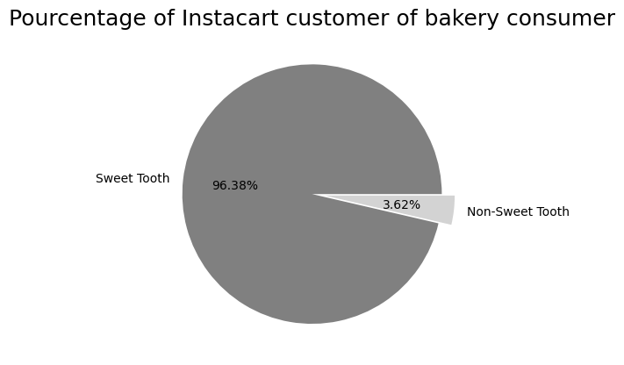
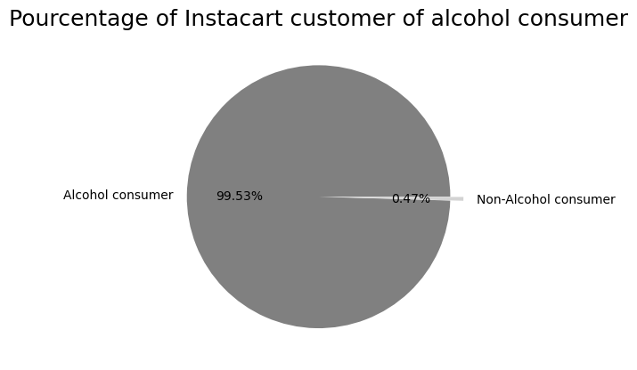
 |  |  | Title page

Visualisations

Question 1: The sales team needs to know what the busiest days of the week and hours of the day are (i.e., the days and times with the most orders) in order to schedule ads at times when there are fewer orders.
Answer: Busiest days: Saturdays and Sundays across all age category
 | Busiest hours of the day: It start to increase after 5:00 reaching the highest frequency at 10:00, it remains high from 10:00 to 15:00, then we can start to see a slight decrease in orders from there until the following morning at 5.00
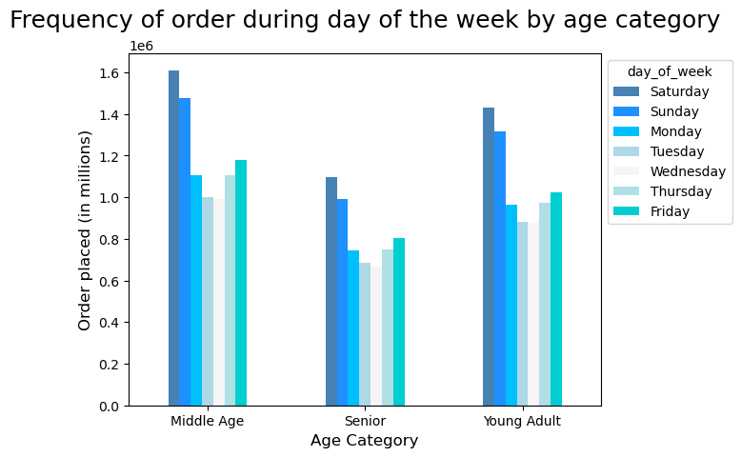
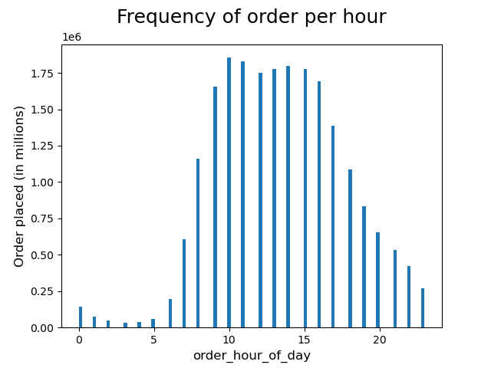

Question 2: They also want to know whether there are particular times of the day when people spend the most money, as this might inform the type of products they advertise at these times.
Answer: High frequency orders with low expenditure: 9.00 - 17.00
 | Low frequency orders with high expenditure: 6.00 - 8.00
 | Prices ranges during those hours have an average of $7.20
 | Most orders are placed during regular time period
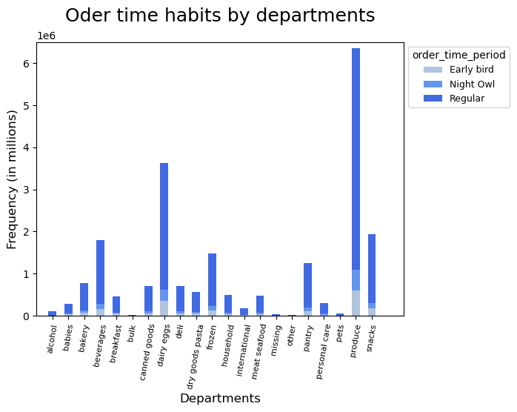
 |  |  |  |  |  |  |  |  | Early bird: 5.00 - 8.00
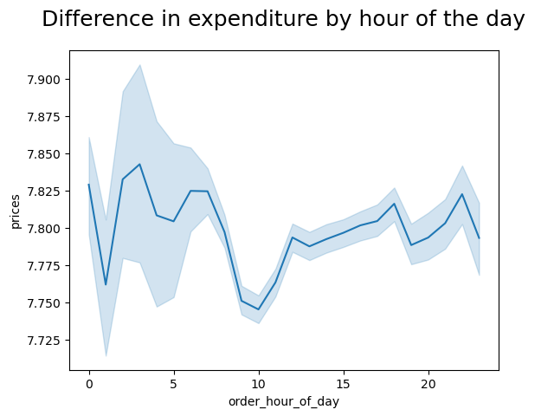
 |  |  |  |  |  |  |  |  | Night owl: 21.00 - 4.00
 |  |  |  |  |  |  |  |  | Regular: 9.00 - 20.00

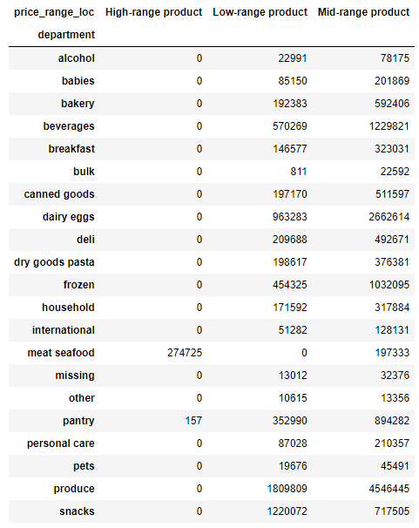
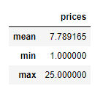
Question 3: Instacart has a lot of products with different price tags. Marketing and sales want to use simpler price range groupings to help direct their efforts.
 |  | Descriptive Statistics |  |  |  | High-range product: products >$15 - Only meat and seafood prices are >$15
 |  |  |  |  |  | Mid-range product: products >$5 and <=$15
 |  |  |  |  |  | Low-range product: products <=$5

Question 4: Are there certain types of products that are more popular than others? The marketing and sales teams want to know which departments have the highest frequency of product orders.
Answer: Low-range product are most popular following by mid then high-range products
 | Most popular products : Produce, snacks and dairy eggs

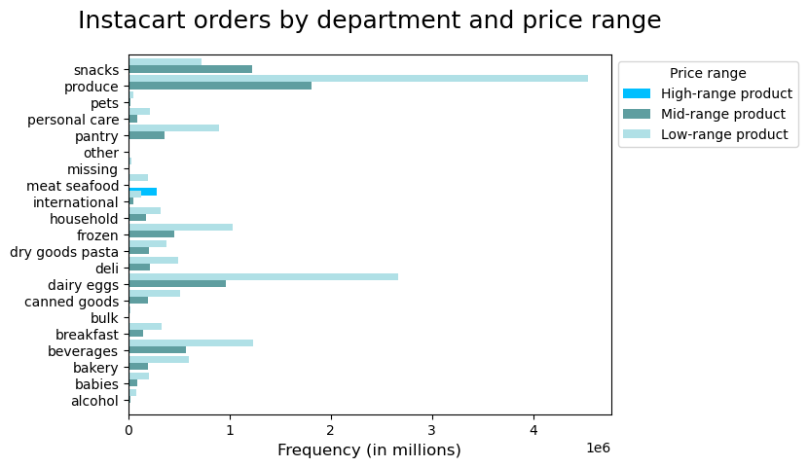
 |  |  |  |  | Descriptive Statistics
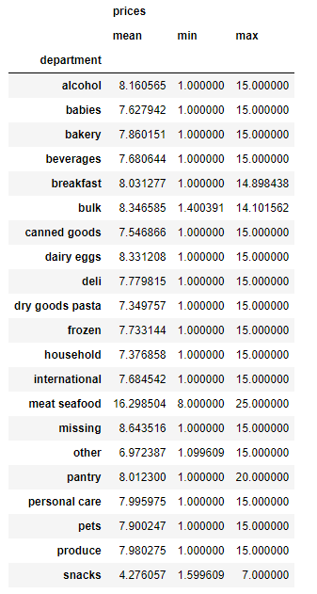

Question 5: The marketing and sales teams are particularly interested in the different types of customers in their system and how their ordering behaviors differ. For example:

Question 5.a): What’s the distribution among users in regards to their brand loyalty (i.e., how often do they return to Instacart)?
Answer: Regular constumer: average day is 12
 | New customer: average day is 17.5
 | Loyal customer: average day is 6
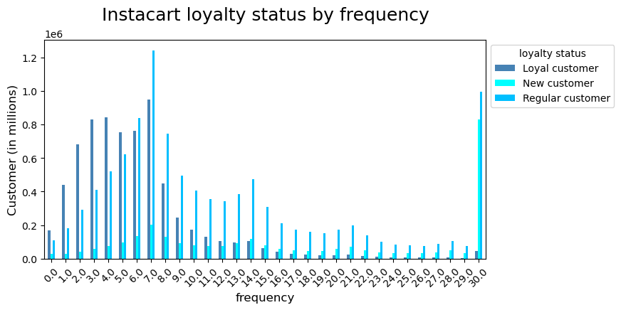
 |  |  |  |  |  |  | Loyal: maximum order >40
 |  |  |  |  |  |  | New: maximum order <= 10
 |  |  |  |  |  |  | Regular: maximum order <= 40 & >10
 |  |  |  |  | Descriptive Statistics

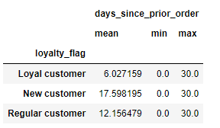

Question 5.b): Are there differences in ordering habits based on a customer’s loyalty status?
Answer: Loyalty status doesn't impact on ordering habits.

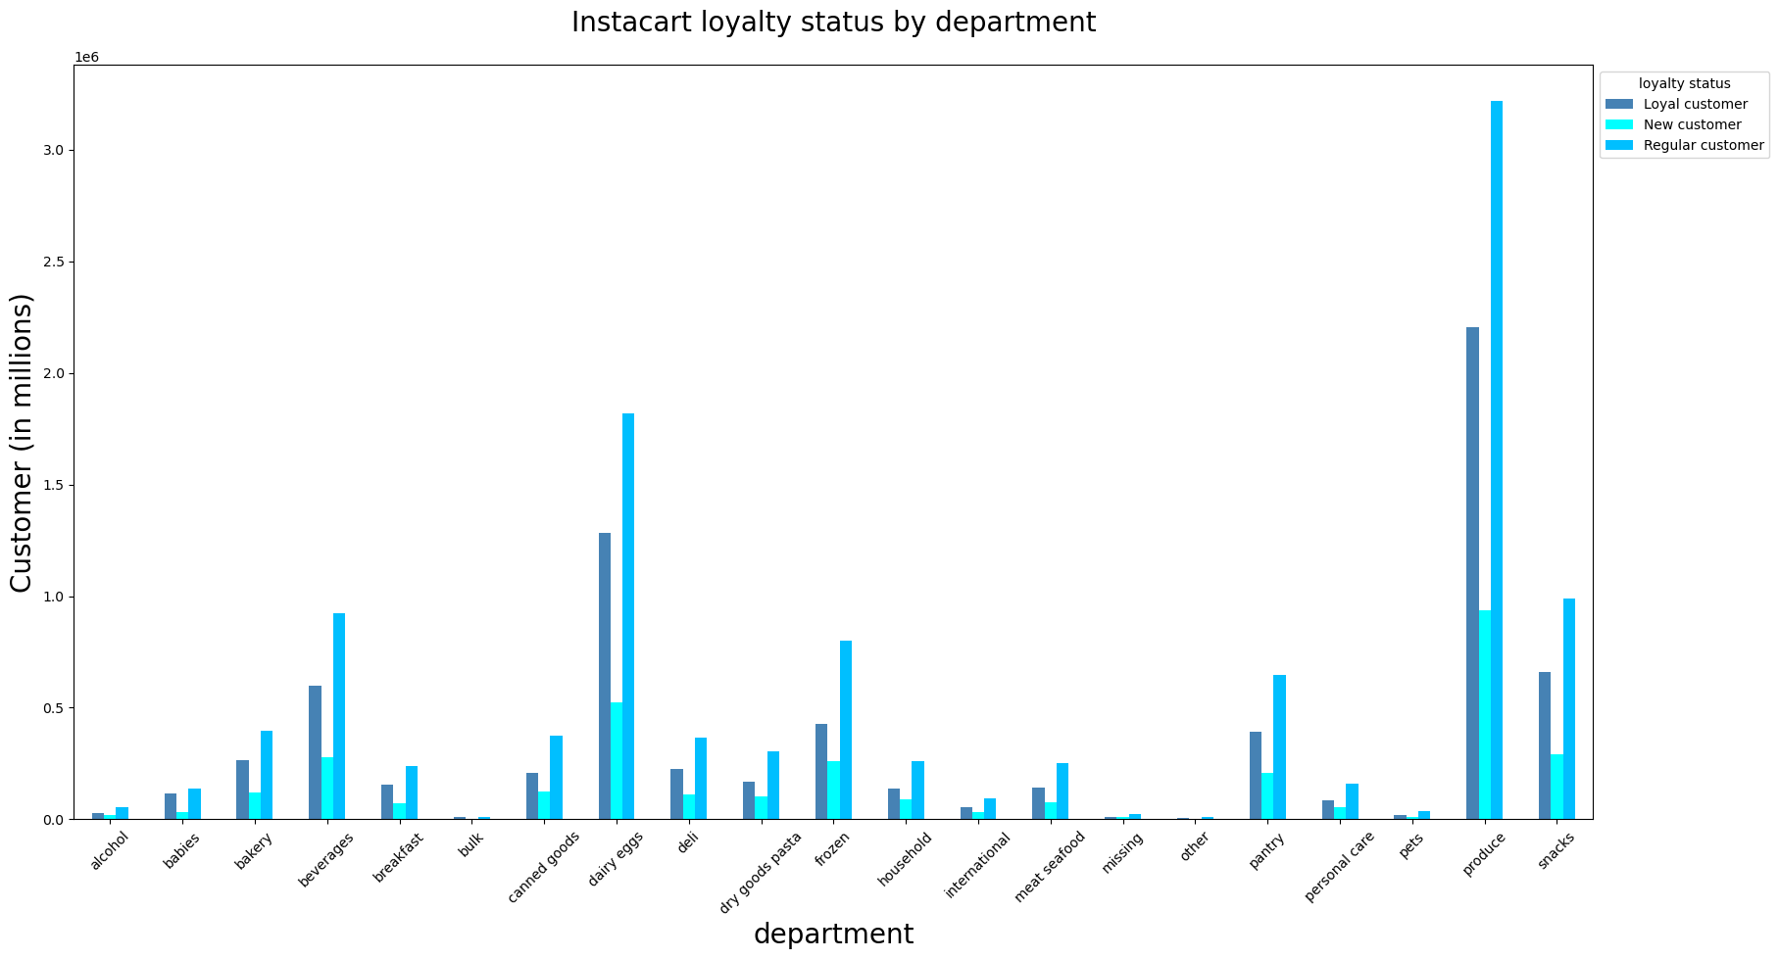

Question 5.c): Are there differences in ordering habits based on a customer’s region?
Answer: Across all regions, regular customers are heavily present than loyal and new customers
 | New customer are more present in the South region

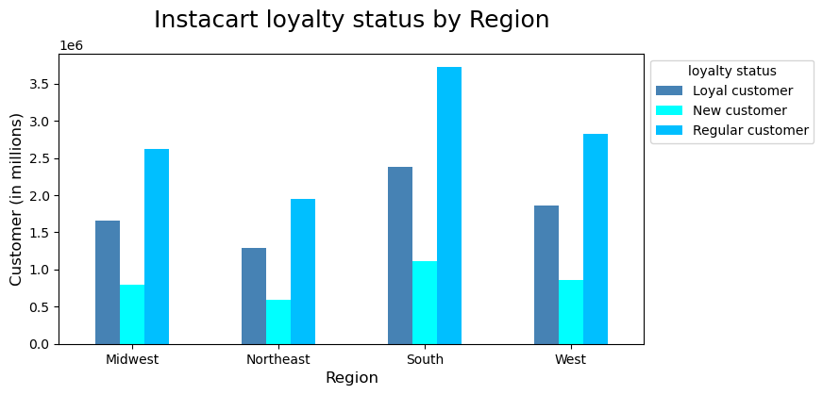

Question 5.d): Is there a connection between age and family status in terms of ordering habits?
Answer: Middle age group from family without dependants and with high and middle income household are strongly present customers, following by young adult age group from family without dependants with middle and low income household.
 | Family with dependants with high income are the least present customers.
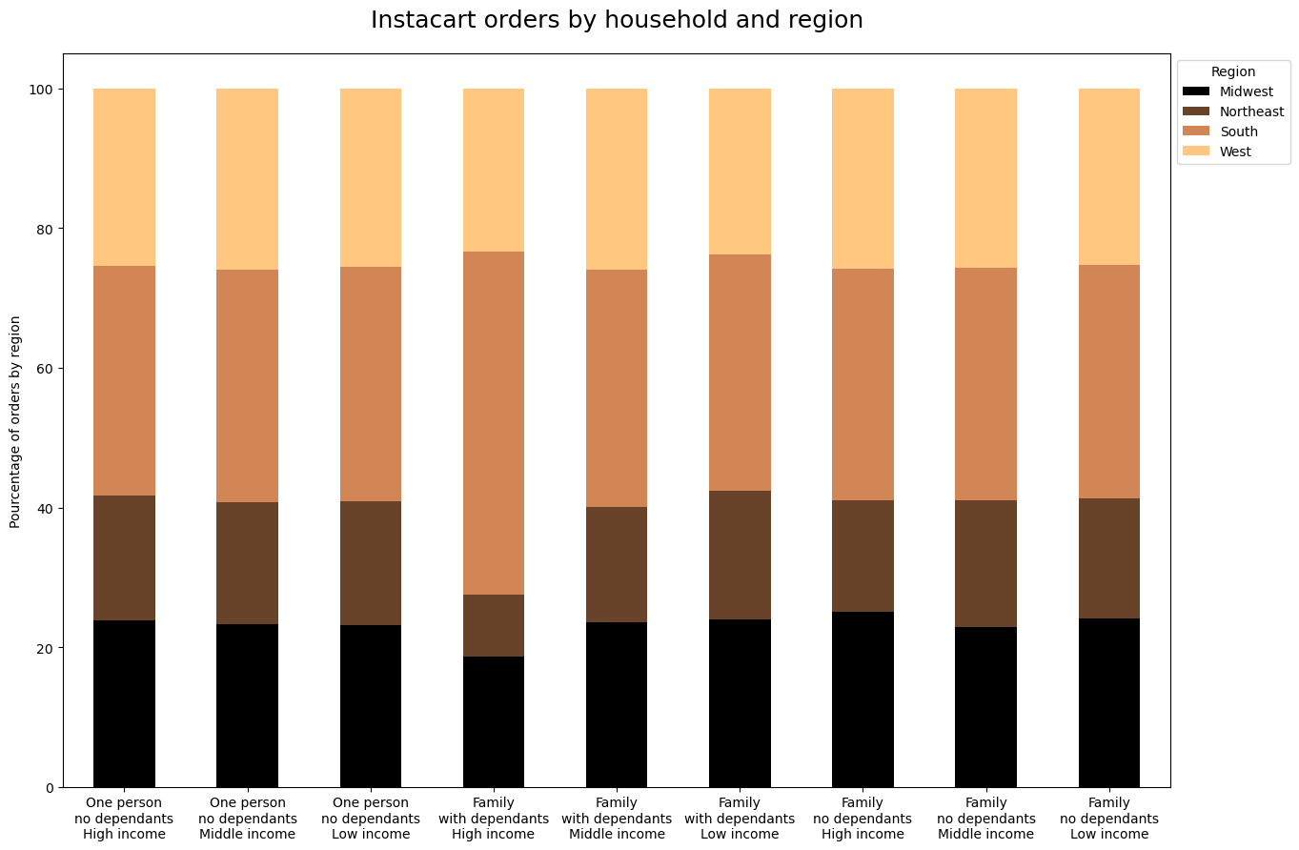
 |  |  |  |  |  |  |  | Young adult: >= 18 & < 40 years old
 |  |  |  |  |  |  |  | Middle Age: >= 40 & < 65 years old
 |  |  |  |  |  |  |  | Senior: >= 65 years old

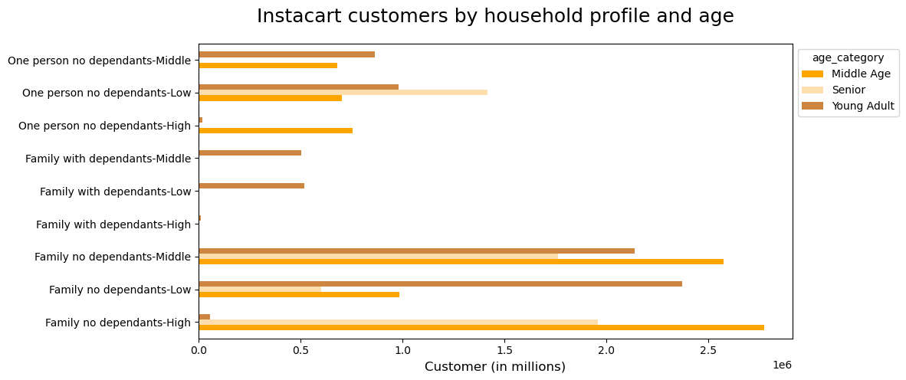

Question 5.e): What different classifications does the demographic information suggest? Age? Income? Certain types of goods? Family status?
Answer: We can see that there is a correlation between age and spending power (income), age category middle age and seniors (>40 years old) with higher income spend more than age group young adult (<40 years old) with lower income
 |  |  |  |  |  |  | Low: Income< 70000 $
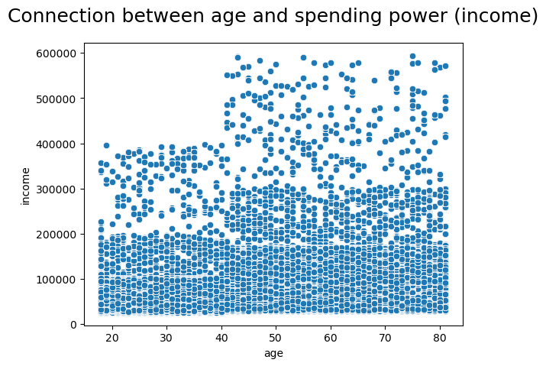
 |  |  |  |  |  |  | Middle: Income >= 70000 & < 120000 $
 |  |  |  |  |  |  | High: Income >= 120000 $
 |  |  |  | Descriptive Statistics
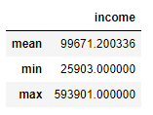

Answer: Across all regions, most Instacart customers are from low income category.
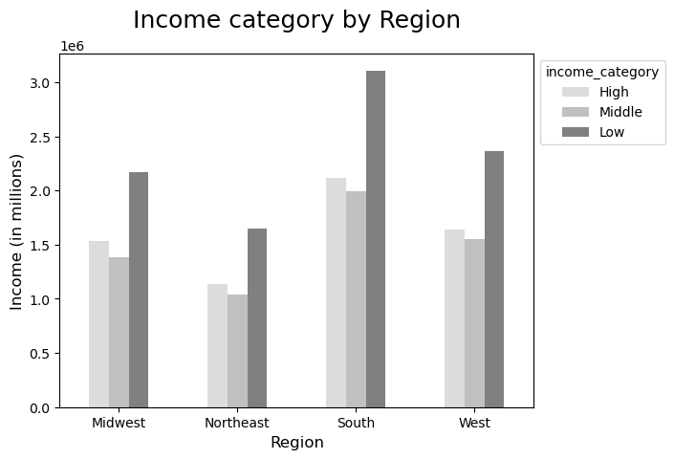

Answer: Regular hours of 9.00 to 20.00 are when all age category like to place orders.

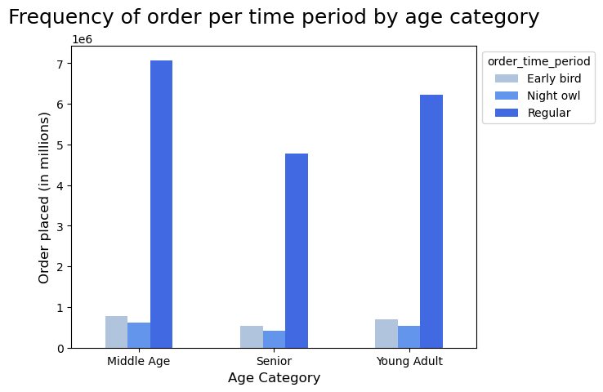

Answer: Across all household, produce is really popular following by dairy eggs.

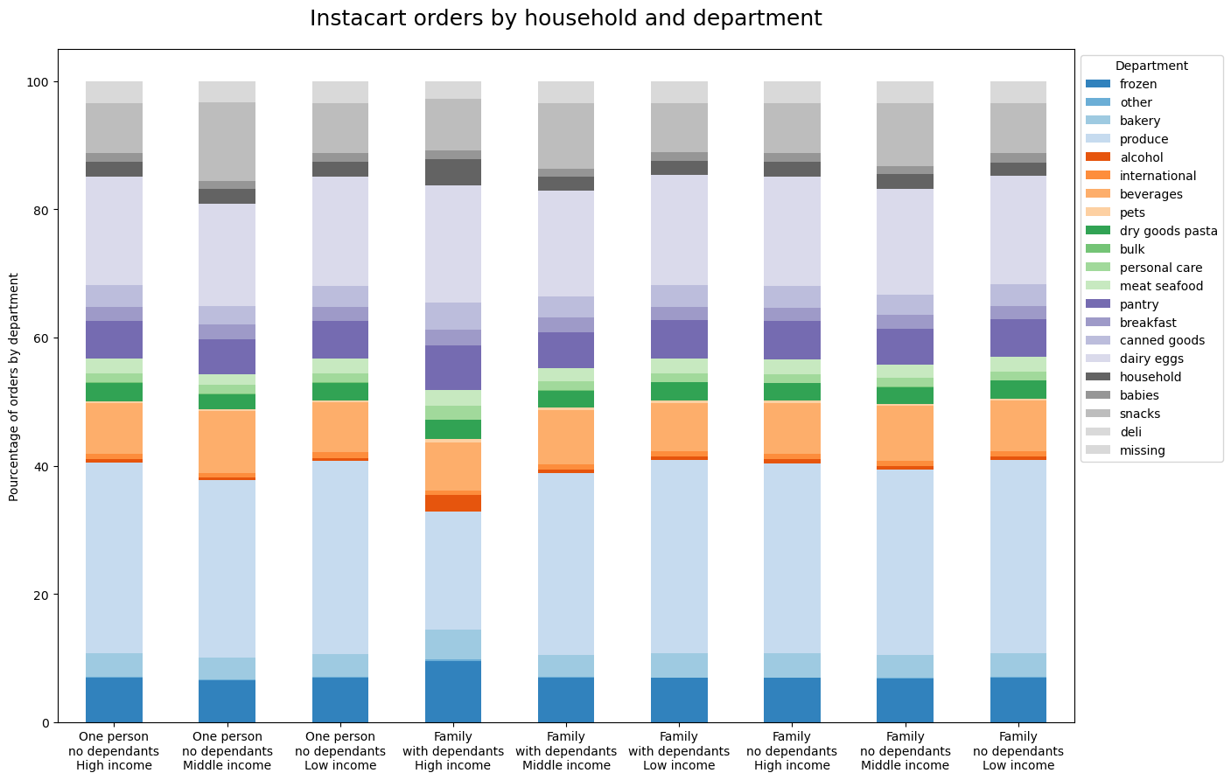

Question 5.f): What differences can you find in ordering habits of different customer profiles? Consider the price of orders, the frequency of orders, the products customers are ordering, and anything else you can think of.
Answer: They like consuming alcohol and have a sweet tooth

7. Recommendations
 | Title page

Recommendations

Question 1: The sales team needs to know what the busiest days of the week and hours of the day are (i.e., the days and times with the most orders) in order to schedule ads at times when there are fewer orders.
Recommendation: As Saturdays and Sundays are the busiest days and busiest hours are between 10.00 to 15.00, ads can be scheduled during weekdays after 15.00 until 8.00 the following day.
Question 2: They also want to know whether there are particular times of the day when people spend the most money, as this might inform the type of products they advertise at these times.
Recommendation: Most orders are placed during regular time period and as we are looking to sell products with high expenditure, the target time would be 6.00-8.00, which is when early bird customers like to place orders. We can then target products like; produce, dairy eggs, berverages and snacks.
Question 3: Instacart has a lot of products with different price tags. Marketing and sales want to use simpler price range groupings to help direct their efforts.
Recommendation: Products are now categorised by three different ranges. High, Mid and Low ranges. Meat seafood and pantry are the only products that are in the high range, the remaining's are in either Mid or Low ranges.
Question 4: Are there certain types of products that are more popular than others? The marketing and sales teams want to know which departments have the highest frequency of product orders.
Recommendation: Low-range product are most popular following by mid then high-range products. Most popular products are produce, snacks and dairy eggs.
Question 5: The marketing and sales teams are particularly interested in the different types of customers in their system and how their ordering behaviours differ.
Recommendation for loyalty status:
New constumers in general place orders within 17.5-day, following by regular ones with an average of 12-day and loyal customers within 6-day which shows that Instacart loyal customers like shopping with them. Sales and Marketing would need to find a way of targeting new and regular customers in order to increase their usage frequency, especially for regular ones as across all regions, their are heavily present than loyal and new costumers.

Loyalty doesn't impact on product ordering habits, meaning all Instacart customers would place orders based on their needs. Sales and marketing teams should then consider a better rewarding program for loyal customers also.
Recommendation for different age group:
We can see that there is a correlation between age and spending power (income), meaning age category middle age and seniors (>40 years old) with higher income spend more than age group young adult (<40 years old) with lower income. One person and families without dependants is strongly present as oppose to families with dependants. However, we can see that young adult families with dependants with low and middle income would purchase order with Instacart which means offering more variety in produce and dairy eggs would increase their frequency usage.

Most customers are coming from the South region due to the largest population across all regions and they are also low income earners. High income earners are located in the third place.
Across all group age, they all like to order during the regular hours of 9.00 to 20.00. Targeting ads out of this time window would be great.
Across all household, produce is really popular following by dairy eggs. We also notice that family with dependants with high income, particularly like to order alcohol and frozen products. We can then also offer them more variety of those kinds of products.

